2 - Characterization Form
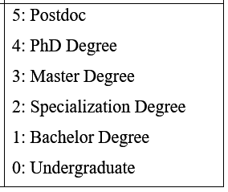
Name:
e-mail:
Academic Background: | (1-5) See table:
Years of Experience with IT/Software sector: | Years
Years of Experience with IT/Software architecture: | Years
Do you have experience with similar tools (recommendation systems)? | (Yes/No)

6 - Execution Form
DIRECTOR - Evaluation Tasks |  | Hint: [Ctrl + L] | Obs.: You can use anything, except another recommendation system.
++++++++++
+ (1st part) +
++++++++++
------- --------- --------
==> PLEASE, take note of your start time:
Task # | Description | Answer (service id) | Justification/Rationale | Confidence (1-5)
1 | What are the currently active registered PaaS?
2 | How many microservices are available in the “SAP Cloud Platform” PaaS?
---
3 | What (up to three) microservices would be adequate for scenario #1?
4 | What (up to three) microservices would be adequate for scenario #2?
5 | What (up to three) microservices would be adequate for scenario #3?
6 | What (up to three) microservices would be adequate for scenario #4?
7 | What (up to three) microservices would be adequate for scenario #5?
---
8 | With regards to scenario #5, what an architectural decision document would look like (describe it in one to three paragraphs, i.e., the considered alternatives, the chosen one, and the tradeoffs plus the rationale for that)?
==> PLEASE, take note of your end time:

++++++++++
+ (2nd part) +
++++++++++
Additional TAM Questions (Feedback)
-------- ---------- ---
Please, pick one of the aforementioned scenarios and go to: |  | http://director-services.mybluemix.net/
 | a) Utilize a seção "1) (Discovery) Are you searching for a cloud microservice?" para informar a lista de features desejadas e tags a serem excluídas (atenção para separar termos com vírgula). Clique no botão "Show Me Some Candidates". Reflita sobre a resposta;
 | b) Copie todos os "serviceId" dos microsserviços candidatos encontrados (confirme o total) - atenção para compor uma lista separada por vírgula. Utilize a seção "2) Technical Perspective" para informar a lista de candidatos. Clique no botão "Rank These Candidates". Reflita sobre a resposta;
 | c) Repita o processo com a seção "3) Social Perspective". Reflita sobre a resposta;
 | d) Digite a frase (resumo) do cenário escolhido na seção "4) Semantical Perspective", no campo "Brief description (free-text):". Clique no botão "Rank These Candidates". Reflita sobre a resposta;

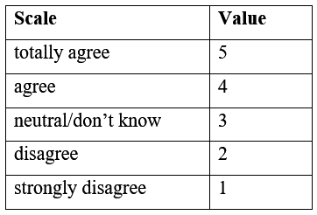
Q4) | I easily learned how to use the framework.
Q5) | I used the framework in the way I wanted to.
Q6) | I understood what happened in the interaction with the framework.
Q7) | I easily executed the proposed tasks with the framework.
---
Q8) | In the event of the framework giving me an answer different than mine, I would consider it for use anyway. This means: the framework's suggestion are adequate/make sense.

